1. Title Page
Instacart Grocery Basket Analysis

Project Name: Instacart Basket Analysis
Date: 04/01/2023
Analyst Name: Inês Campos

Contents:
Population Flow
Consistency checks
Wrangling steps
Column derivations
Visualizations
Recommendations

Data source:
“The Instacart Online Grocery Shopping Dataset 2017”,
Accessed from https://www.instacart.com/datasets/grocery-shopping-2017 on 2022-12-02.

Data is fabricated for the purposes of the course

2. Population Flow
< Title page

Population flow

Exclusion flag
Condition: max_order < 5
Obervations to be removed: 1.440.295
Final total count of cust_prods_ords: 32.404.859
Observations kept: 30.964.564

normal_cust_prods
Orders_products_combined
Orders_products_merged
cust_prods_ords
after applying exclusion condition &
adding profiling flags

Total: 32.434.489
Total: 32.404.859
Total: 32.404.859
Total: 30.964.564

3. Consistency checks
 |  |  |  | Title page
Consistency checks

Dataset | Missing values | Missing values treatment | Duplicates
orders | There were 206209 missing values in the "days_since_prior_order" column | The median was used for replacing the missing values. The reason is that the median is lower than the mean, so data is skewed to the right, and there are indeed outliers with very high values. | The dataset contained no duplicates
products | 16 missing values in product name | A new table was created without the missing values (old table was not overwritten) | Five duplicate entries were found (i.e., - 462, 18459, 26810, 35309 and 35495). A new dataframe was created without duplicates
orders_products_prior | no missing values | no missing values | no duplicates
customers | There were 11259 missing values in column first name | Since the column could be deleted as it did not prevent from identifying customers (eg., the df included a user_id, the surname and other variables that enable identification), and also since it contained personal information, the column was removed | there were no duplicates

4. Wrangling steps
 |  |  |  | Title page
Wrangling steps

Dataset Orders
Columns dropped | Columns renamed | Columns' type changed | Comment/Reason
Column "eval_set" was dropped from the analysis |  |  | It was not adding value to the analysis
 | Column 'order dow' was renamed to 'orders_day_of_week' |  | renaming made the contents of the column clearer
 |  | Column 'orders_day_of_week' was changed to string | The days of the week are a nominal variable
 | Column 'order_hour_of_day' renamed to 'order_hour' |  | To create a shorter name
Column 'name' from the customers dataset was dropped |  |  | This column contained many missing values, it has personal data and it did not add value to the analysis
 | "Surname" to 'surname' in df_customers |  | Because it was in capital lettters, to match the other column names
 | "fam_status" to "family_status in df_customers |  | the new name is more precise regarding the contents of the column
 | STATE to State in df customers |  | There were no other columns with all letters in capital letters
 | n_dependants to number_dependants in df_customers |  | So that the name is clearer about the contents of the variable
 | family_status' was then changed to 'marital_status in the final 'normal_cust_prods' dataset |  | family_status' was not sufficiently specific about the contents of the variable
 | "Age" to age in the final normal_cust_prods' dataset |  | For consistency in order to have all columns in lower case
 | Gender to gender in the final 'normal_cust_prods' dataset |  | Also, for consistency, to have all columns with lower case letters

5. Column derivations
 |  |  |  |  | Title page

Column derivations and aggregations

Frequency of price range
price_range
Mid-range product 655329
Low-range product 259885
Not enough data 75442
High range 9344
Fequency of busiest days of the week
busiest days
Regularly busy 22416875
Busiest day 6204182
Least busy 3783802
Frequency of busier days (in groups)
Busier days
Regularly busy 12916111
Busiest days 11864412
Least busy 7624336
Frequency of busiest_period_of_day
busiest_period_of_day
Most orders 23205725
Average orders 8312313
Fewest orders 886821
Frequency of loyalty flag
Regular customer 15876776
Loyal customer 10284093
New customer 6243990
Frequency for spender_flag
High spender 31770995
Low spender 633864
Frequency for frequency_flag
Frequent customer 22790523
Regular customer 6927608
Non-frequent customer 2686728
Frequency for activity_flag
Normal activity 30964564
Low activity 1440295
Frequency for region
South 10791885
West 8292913
Midwest 7597325
Northeast 5722736
Frequency for the age_flag
Young Adult 8242295
Middle-Aged 7774770
Senior 7730834
Older Adult 7216665
Frequency for income_flag
Middle income 14470856
Upper income 12246474
Low middle income 3995310
Low income 193870
High Income 58054
Frequency for family_flag
Middle-Size Family 15452367
Large Family 7772516
Small Family 7739681
Frequency for product_type
Perishable Foods 17726748
Non-Perishable Foods 9438875
Other products 3798941
Name: product_type, dtype: int64
Frequency for popular_products
Popular - produce, eggs, dairy, snacks, drinks and frozen 21716493
Regular - others 8877754
Non-popular - bulk, other, missing, pets, alcohol 370317
Name: popular_products, dtype: int64
Frequency for popular_family_flag
family popular - fresh and frozen 16281549
family regular - others 6666095
singles popular - fresh and frozen 5434944
singles regular - others 2211659
family non-popular - bulk, pets, alcohol 277239
singles non-popular - bulk, pets, alcohol 93078
Dataset | New column | Column/s it was derived from | Conditions | Frequencies of new columns created
orders_products_merged | Price ranges (low-range, mid-range, high-range) | prices | If price is lower than 5, then it corresponds to a low-range product, if it is higher than 5 and lower than 15, then it corresponds to a mid-range produce and if it is higher than 15 it corresponds to a high-range product
orders_products_merged | Busiest day (least busy, regularly busy, busiest day | orders_day_of_week | busiest day is Saturday; if the value is 4 (Wednesday) it corresponds to the least busy day, and if value is any other it corresponds to a regularly busy day
orders_products_merged | Busier days, now grouping the two least busy and the two more busy | orders_day_of_week | busiest day is Saturday and Sunday; if the value is 3 (Tuesday) or 4 (Wednesday) it corresponds to the least busy days group, and if value is any other it corresponds to a regularly busy days group
orders_products_merged | busiest_period_of_day (average orders, fewest orders, most orders) | order_hour_of_day | If the hour is between 9 and 15 it within the 'most orders' group, if between 12 and 6 it is within the fewest orders group and if at any other hour it is within the avarege orders' group
ords_prods_merge | max_order | order_number and user_id | Columns user_id and order_number were grouped and transformed using the numby max function to return the maximum number of orders per client
ords_prods_merge | Loyalty_flag | max_order | the conditions were: customers ordering 40 or more items, are a 'loyal customer'; those ordering between 10 and 40 orders are a 'regular customer' and those who ordered less than 10 items are a 'new customer'.
ords_prods_merge | average_price | user_id and prices | Using the mean value of the prices spent per user
ords_prods_merge | spender_flag | average_price | the conditions were: those who spend more or equal to 10 on average are high spenders, those who spend less are low spenders.
ords_prods_merge | median_frequency | user_id and days_since_prior_order | The median frequency as calculated based on the median days that customers returned after a prior order
ords_prods_merge | frequency_flag | median_frequency | The conditions were: those who returned after more than 20 days were low-frequecy customers, those who returned between 10 and 20 days were regular and those who returned after less than 10 days were frequent
cust_prods_ords | region | State | Using the wikipedia regions for US states, four lists were done to create the regions. Then lists were linked to the respective regions, resulting in South, West, Midwest, and Northeast
cust_prods_ords | activity_flag | max_order | If orders were less than 5 - low activity, if orders were higher or equal to 5 - normal activity
normal_activity_cust | age_flag | Age | Using the min. and max age values four age groups were created - Young Adult, Middle-Aged, Older Adult and Senior
normal_activity_cust | income_flag | income | After googling how income can be grouped in the US, used a formulation found here: https://money.usnews.com/money/personal-finance/family-finance/articles/where-do-i-fall-in-the-american-economic-class-system
normal_activity_cust | family_flag | number_dependants | The mean, max and min show that customers have between 0 and 3 dependants. So using a loc function, the conditions for the new column are: 0 dependants is a 'Single Adult, between 1 and 2 dependents is a Middle-size family and 3 or more dependants is a Large family
normal_activity_cust | product_type | department | By checking the names of the products in department, items were grouped in lists of 'perishable' and 'non-perishable' foods, and then 'other products'. The lists were then used to create the new column. The lists were then: Perishable are bakery (3), produce (4), meat seafood (12), breakfast (14), dairy eggs (16), deli (20) Non-perishable are frozen (1), beverages (7), dry goods pasta (9), canned goods (15), snacks (19) and alcool (5) Other: missing, bulk, international because they likely contain both types of foods and also other non-food items
normal_activity_cust | popular_products | department_id | Based on the frequency of orders for each department, the top five and the lower five departments were identified to then create three lists - popular, regular and non-popular. Top 5 departments are produce (4), dairy_eggs (16), snacks (19), beverages (7) and frozen (1) The departments with less sales are (10), (2), (21), (8) and (5). All others were listed as regular.
normal_activity_cust | family_popular flag | popular_products and family_flag | Using the same lists for the 'popular_products' , another list was created to check popular products for different family types. The variable groups popularity in terms of family size, namely families with dependants and those with no dependants

6. Visualizations
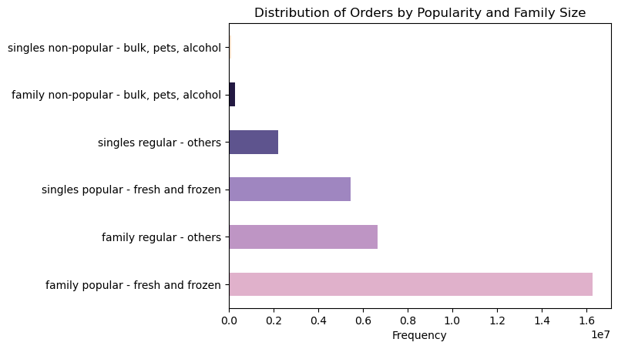
 |  |  |  |  |  | Title page

Visualisations

In this tab you should include all the visualtions from Exercises 4.9 and 4.10, alongside the questions from the project brief that they answer. Include any commentary on the relationship between different variables.

Key Questions
1. What are the busiest days of the week and hours of the day?

The hour of the day with higher frequency is 10:00 and the busiest day of the week is Saturday (maximum value is 6)

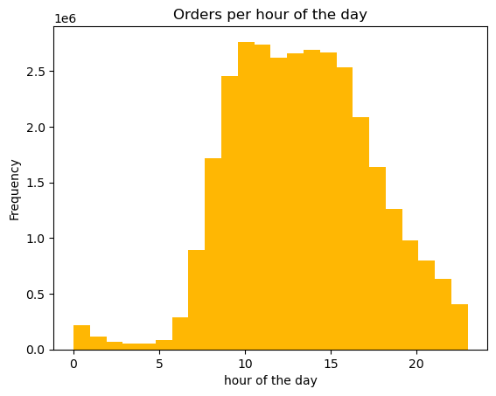
 |  |  | Fig. 2 Histogram - Hour of the Day |  | Fig. 3 Orders per hour of the day and days of the week
 | Fig.1 Busiest day of the week
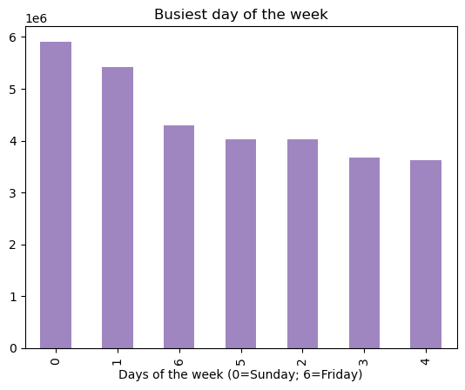
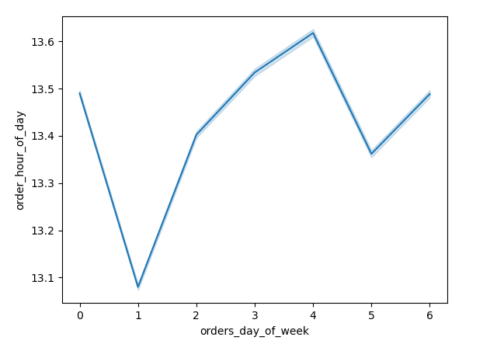

 | Sunday, followed by Saturday are the busiest days of the week. Wednesday is the least busy day, and frequency is more or less similar in the other week days, except for Friday, when orders also increase. |  | Figure 2 shows that peak hours are between 8:00 and 18:00. Early morning and after 20:00 are the least busy hours. |  | Fig. 3 illustrates how the busiest hours change between days of the week. For instance, on Sunday (0) and Saturday (1) the busiest hours are towards the late morning and afternoon, while for the rest of the week the busiest hours are between 10:00 and 17:00

 | Fig.4 Orders by Day of the Week and Department

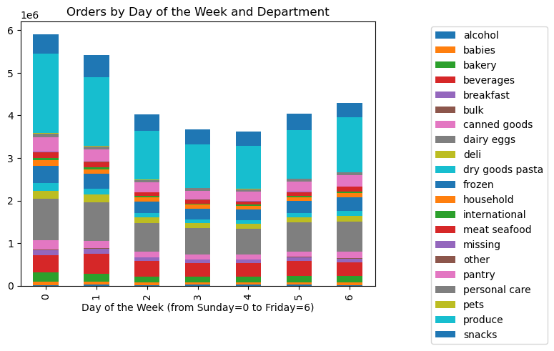

 | When considering the different departments, there are not visible differences between department orders across days of the week. Although alcohol sales increase slightly in the weekend, as shown in Figure 4.

2. Are there particular times of the day when people spend more money?

 | Fig.5 Price ranges across different hours of the day |  | Fig.6 Price ranges across different hours of the day
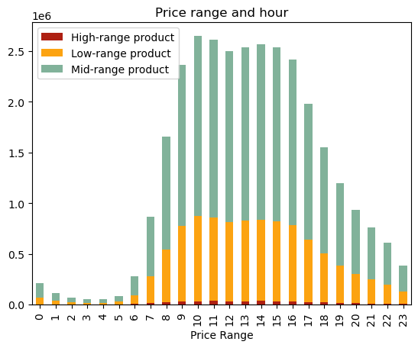
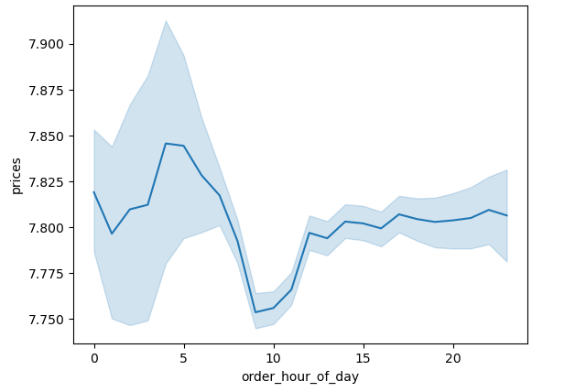

 | The busiest hour of the day is 10AM, yet between 9 and 17:00 are the times when more orders are placed, including prices within a higher range. |  | As illustrated by Fig. 6, people spend more money between 11 and 20. There is also a high spending period between 6 and 9 AM, yet the variance and margin for error during this period is much bigger than in the later hours, which suggests this spending is not consistent, when compared with money spent during mid-day to afternoon hours.

3. How can price ranges be applied in simpler groupings to help direct marketing and sales' efforts?

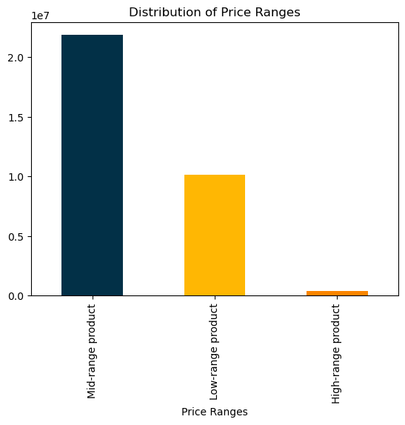
 | Fig.7 Price ranges
 |  |  | Fig.8 Price ranges across departments

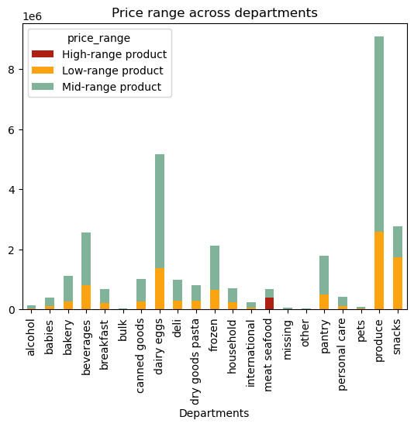

 | Prices ranges can be applied as follows: Mid-range product, with a price value between 5 and 15 (655329); Low-range product (338018), with a price value lower than 5; and High range products (9344) with a price value higher than 15. |  | Price ranges across departments show the vast majority of products is within a low or medium price range. Meat and seafood products are the most expensive.

4.Are there certain types of products that are more popular than others? Which departments have the highest frequency of product orders?

 | Fig. 9 Number of orders by Deparment
 |  |  | Fig. 10 Distribution of orders and type of product
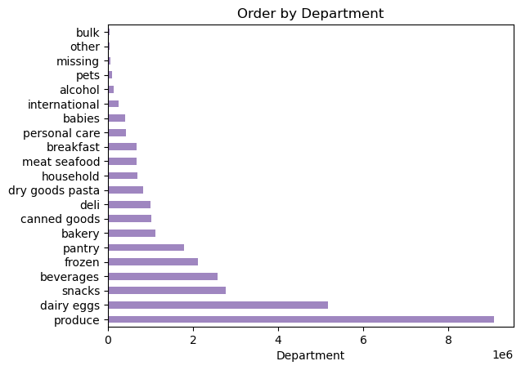
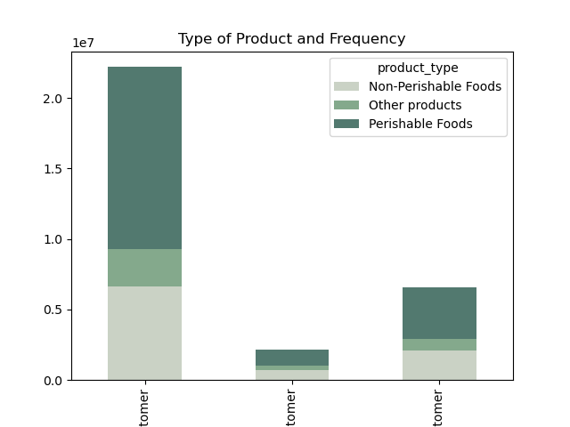
 |  |  |  |  | Fig.11 Popular deparments and spending

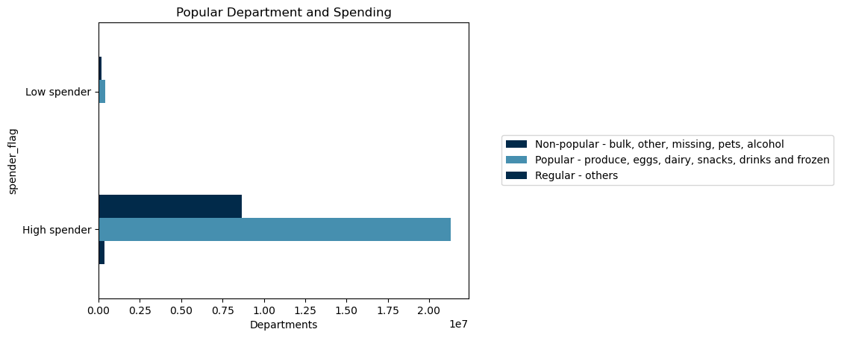

 | Some departments are more popular than others, namely: produce, dairy and eggs, snacks and beverages come at the top of the list.
 | Fig. 12 Reorders by department |  | Some product groups are more popular, namely non-perishable foods. This is illustrated by figures 9 and 10. The department with the higher frequency of product orders is department 16 (dairy and eggs)followed by departments 11 (personal care), 7 (beverages) and 13 (pantry). |  | Fig. 11 llustrates how spending differs across high spenders and low spenders by type of product

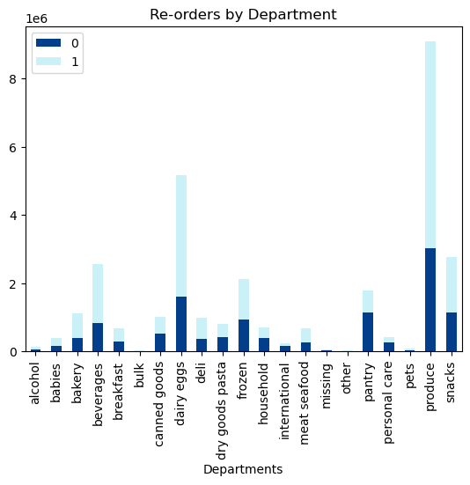

 | Reorders are also higher in the most popular departments

5. What’s the distribution among users in regards to their brand loyalty (i.e., how often do they return)?

Clients can be grouped in terms of frequency, as illustrated by figure 12

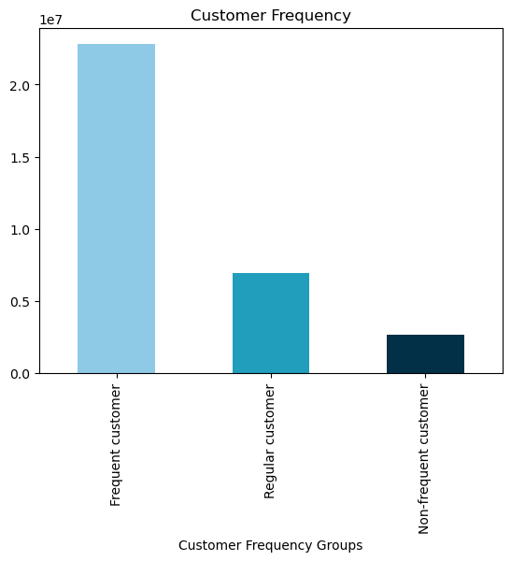
 | Fig.13 Customers by frequency of orders |  | Fig. 14. Frequency of orders by family type
 |  |  |  |  | Fig. 15 Frequency of orders by age group
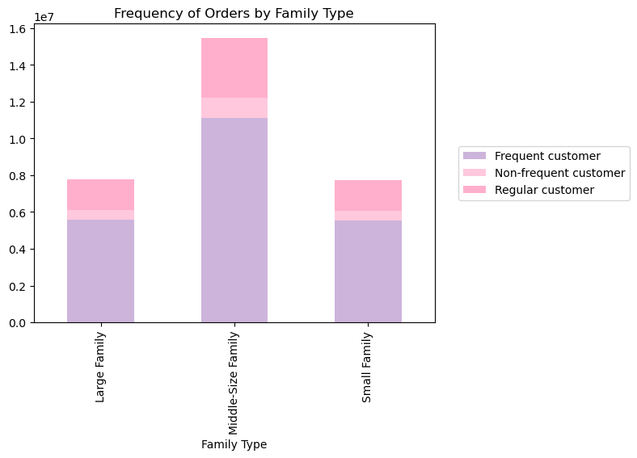

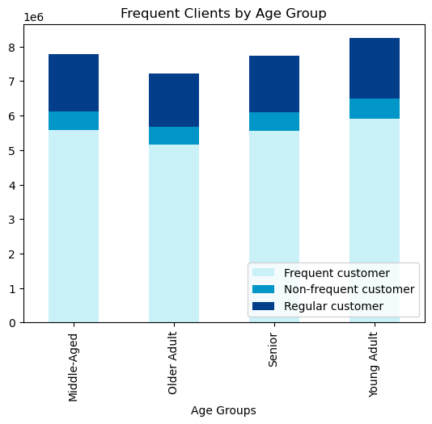

 | Fig.16 Clients income and frequency
 |  |  | Fig.17 Frequecy of orders and gender of clients

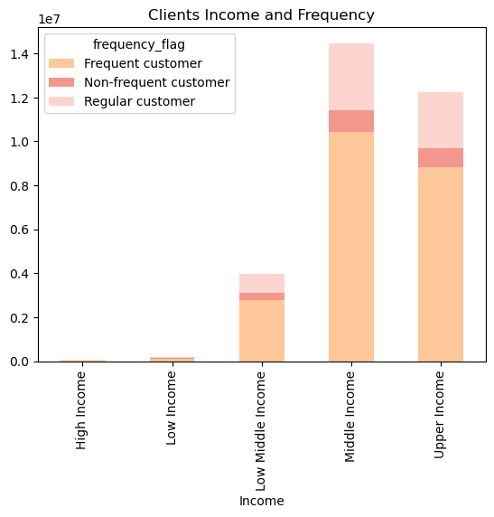 |  |  | 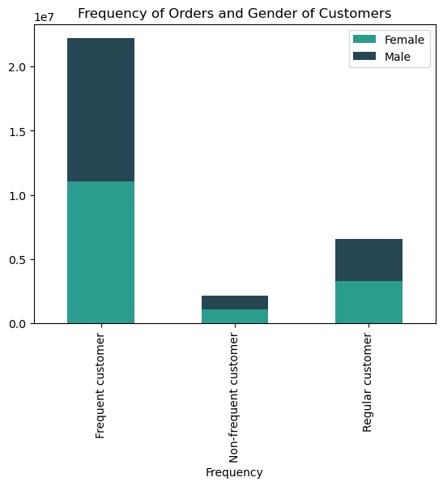

6.Are there differences in ordering habits based on a customer’s loyalty status?

 | Most customers are regular, they form the client base, new customers are much less, and therefore targeted strategies should focus on increasing the number of new customers and thus create 'future' regular customers.

 | Fig. 18 Customers by loyalty status
 |  |  | Fig. 19 Customers' income and loyalty |  | Fig.20 Customers' loyalty and family type
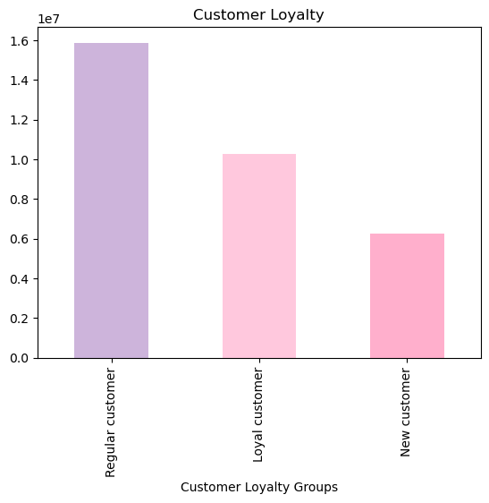

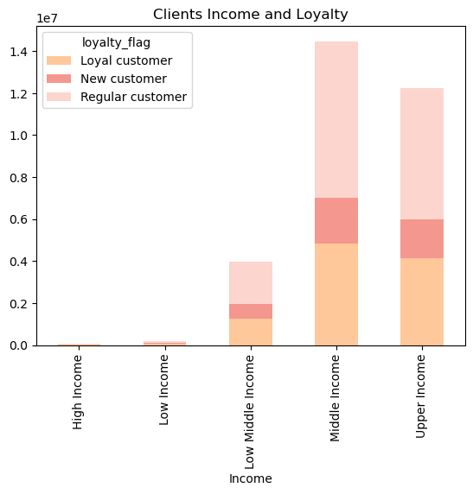
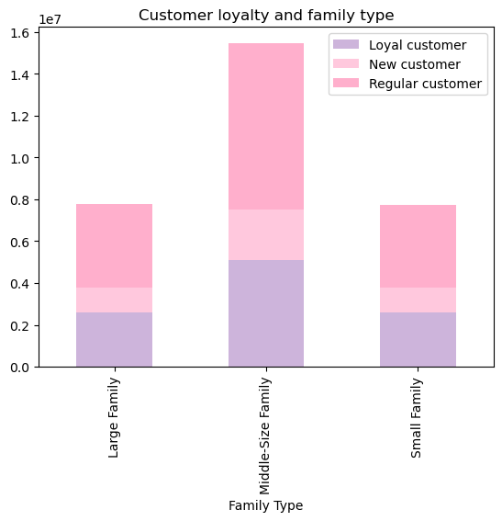

 | Fig. 21 Customers loyalty and age |  | Fig. 22 Comparing loyalty of customers and marital status

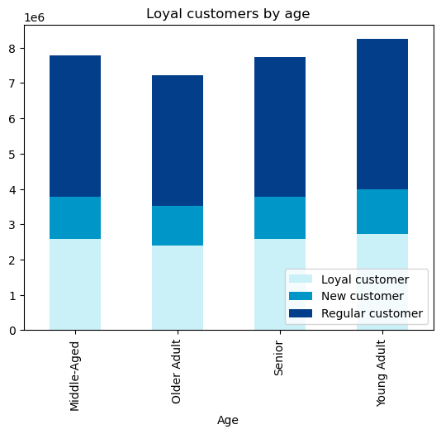
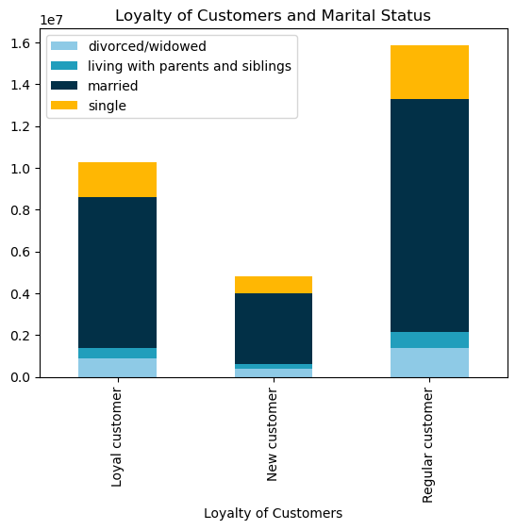

7. Are there differences in ordering habits based on a customer’s region?

 |  | Southern and Western regions have the highest number of orders. Also middle-size family and middle to upper income groups order more accross all regions.

 | Fig. 23 Order distribution by region | Fig. 24 Orders by product type and region |  | Fig. 25 Orders by department and region

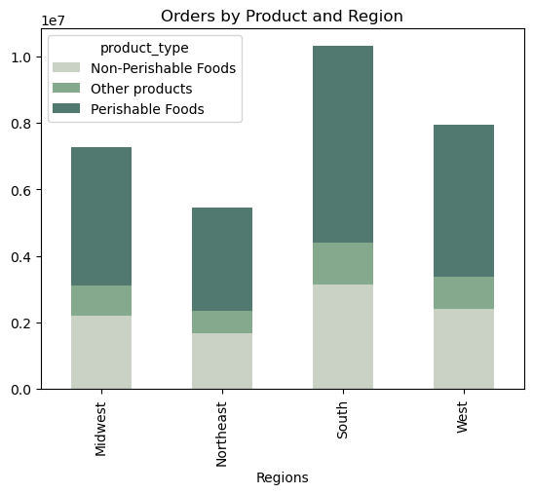
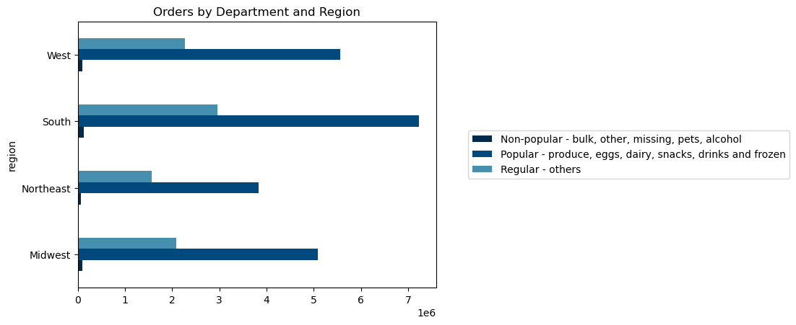
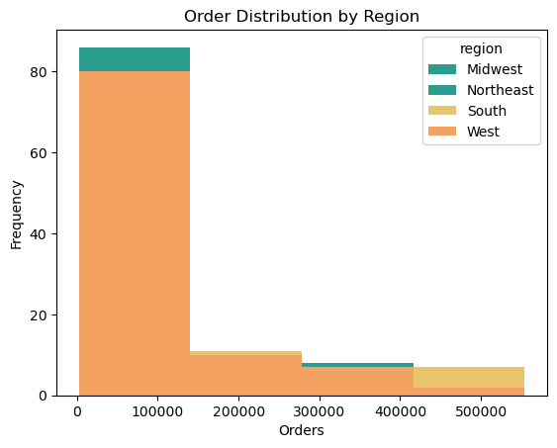

Fig. 26 Orders by family and region
 |  |  | Fig. 27 Income types by region
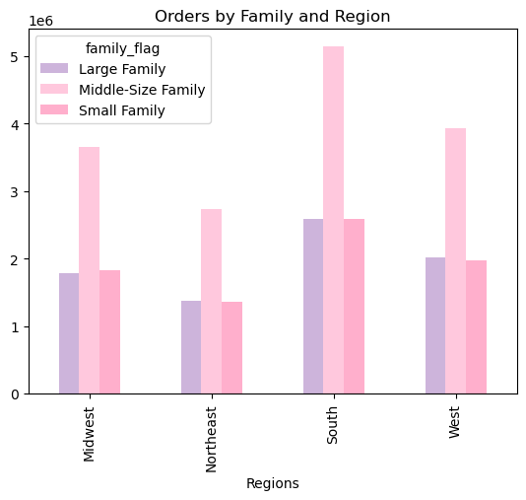

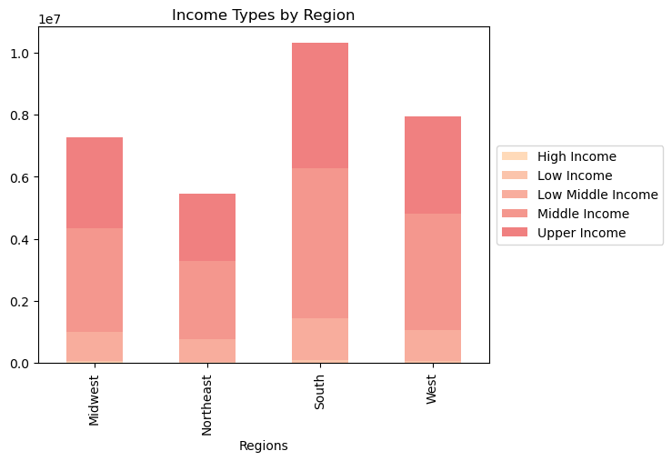

8. Is there a connection between age and family status in terms of ordering habits?

 | There some differences in age and family status in terms of ordering habits which may relate also to income and number of dependants

 | Fig. 28 Overview of age and dependants
 |  |  | Fig. 29 Comparing customers age and income
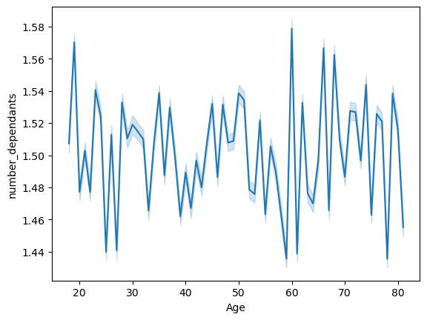
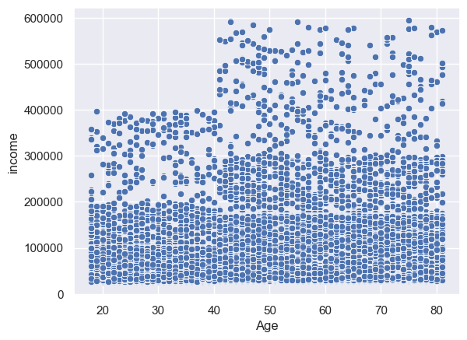

 | The line chart shows that the number of dependents increases with age, although there are some outliers in the 'twenties' with more dependants than would be expected.
 |  |  | As shown in the scatterplot above customers' income tends to increase with age.

 |  |  | Fig.31 Comparing spending and family type
 | Fig. 30 Comparing spending differences by age
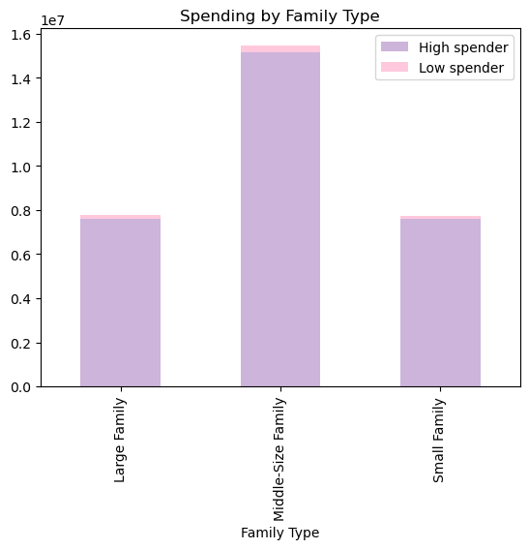
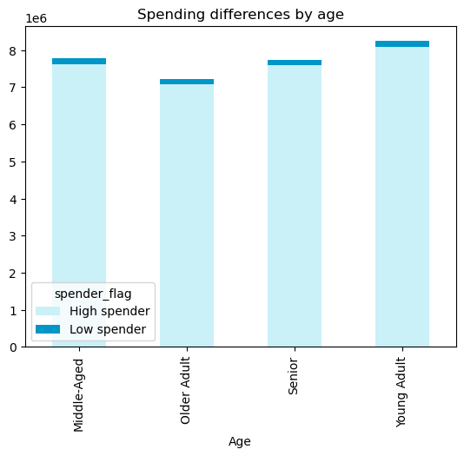

 | When grouped by age range as shown in Fig. , the differences are not striking, however, young adults and middle-age adults spend a bit more. |  | Regarding family types, middle-size families spend more, when compared with large and small families.

 | Fig. 32 Comparing frequency of customers and marital status |  | Fig. 33 Comparing spending flag and marital status

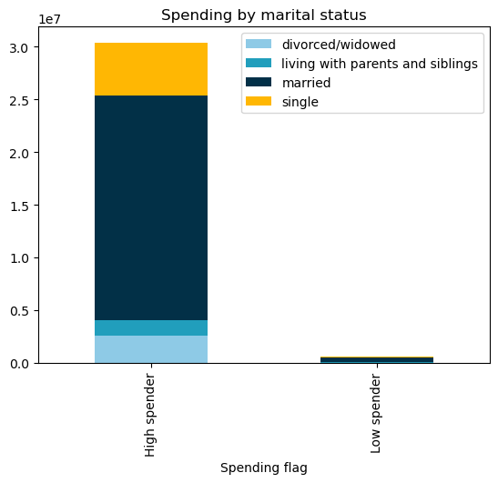
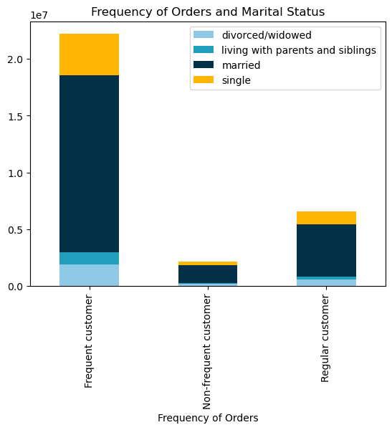

 |  |  | Married customers make the majority of customers, they spend more and are pose more frequent orders.

 | 9. What different classifications does the demographic information suggest? Age?

 | Income? Certain types of goods? Family status?

 | Customer Classifications
 | Customers were classified based on Age, Income, and Family size.

 | Income distribution of customers (see Fig. 34) led to creating 5 income groups as an additional classification. Customers with lower income acquire less expensive products (see scatterplot), although differences are not striking.

 | Fig. 34 Distribution of Income |  | Fig. 35 Comparing prices and income of customers

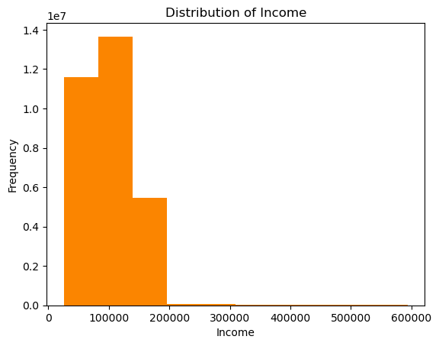
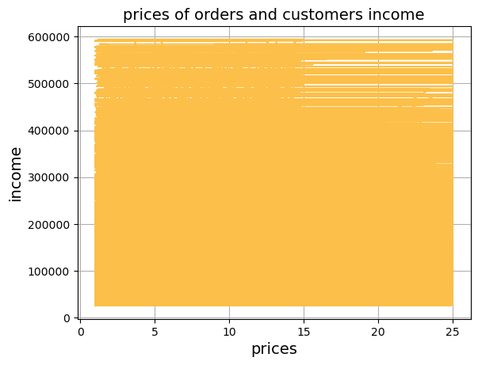

 | Fig. 36 Distribution of customers by Income classification

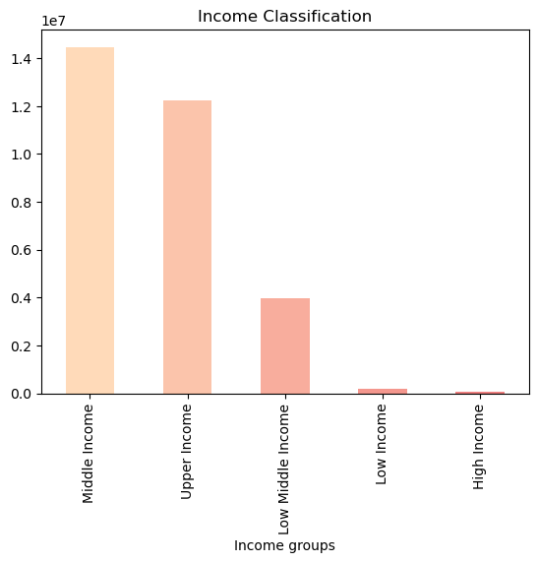

 | Fig 37 Distribution of Customers by Age Group

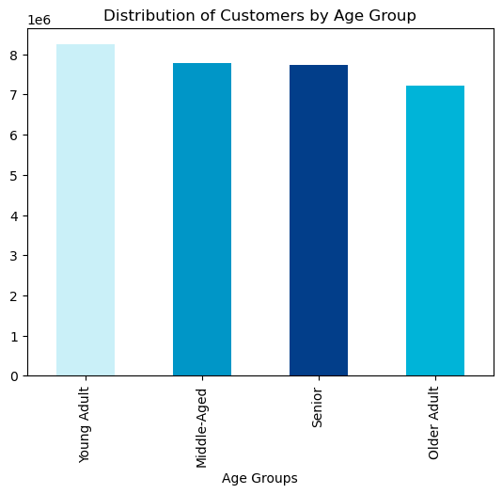

 | Customers were also grouped by family size, based on the number of dependants they have.

 | Fig 38 Distribution of Customers by Family Size

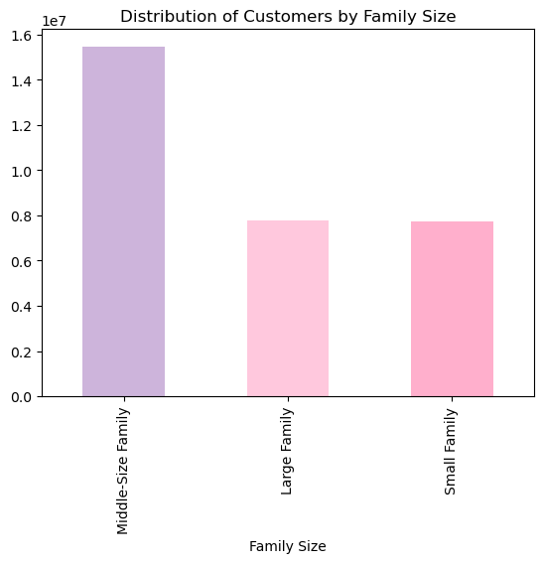

 | Product Classifications

 | Departments sell different types of products, including food and non-food items, which were also grouped:

 | Type of Product:

 | Food products were grouped in Perishable and Non-Perishable foods, while all other products were grouped in 'Other'

 | Fig. 39 Distribution of Food Product Types

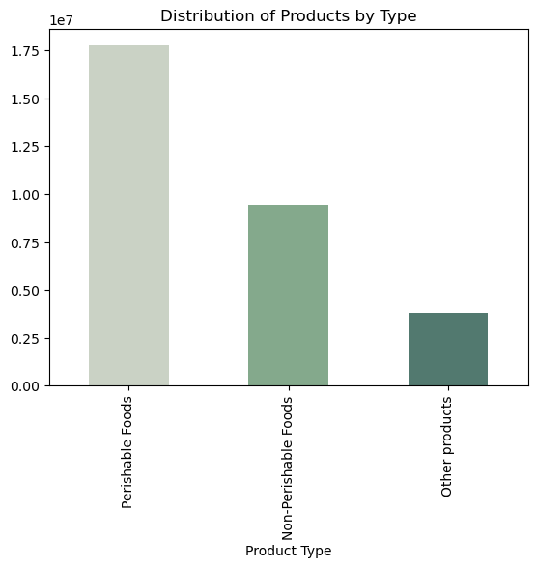

 | After checking for frequency of department orders, products were classified as popular (top five departments), non-popular (lower five deparments) and regular.

 | Fig. 40 Distribution of Product Type by Popularity

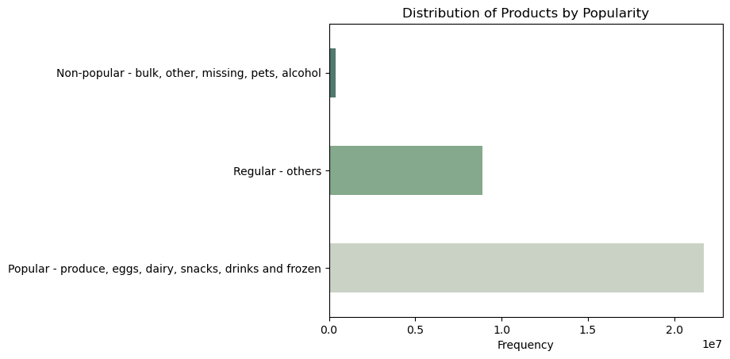

 | Finaly when comparing family types with product popularity, the different family-size types can be classified in relation to the products they prefer.

 | Fig. 41 Distribution of Orders by Family Type and Product Popularity

7. Recommendations
 |  | Title page

Recommendations

In this tab you should include any recommendations you would made to Instcart in terms of their marketing strategy based on the questions posed in the brief. Every key question has been covered in the Tasks of the Exercises - here you need to add an item - a visualisation or table/crosstable that is showing the answer in the data, acompanied by a comment from you. Please, list the questions below and add the answer underneath.

Question | Recommendation
1. What are the busiest days of the week and hours of the day? | The Weekend is a key time for customers to pose orders, so any staff additions should be made for weekend days. Also, working hours from 9:00 to 17:00 are when the majority of orders are placed, so stocks and staff need to be fully prepared during those hours.
The hour of the day with higher frequency is 10:00 and the busiest day of the week is Saturday (maximum value is 6). The busiest hour of the day is 10AM, yet between 9 and 17:00 are the times where more orders are placed. Total frequencey by hour of the day is provided in Sheet 7.1 Hour of Day
2. Are there particular times of the day when people spend more money? | During the times when customers spend more money, the order platform should make an effort to advertise higher cost products. On the other hand, slower times of the day are a good opportunity to introduce promotions for key products that are higher in stock.
People spend more money between 7:00 and 20:00, and the peak hours in terms of spending are between 10:00 and 17:00. The frequency of orders per price range, across the different times of the day is given in Sheet 7.3 Price by hour of the day
3. How can price ranges be applied in simpler groupings to help direct marketing and sales' efforts? | Creating price ranges based on minimum and maximum values will help manage the range of prices for products and signal any time there is a product which is either extremely expensive or cheap. It will also help customers be prepared for the range of prices that they can count on and make better plans for their orders.
Prices ranges can be applied as follows: Mid-range product, with a price value between 5 and 15 (655329); Low-range product (259885), with a price value lower than 5; and High range products (9344) with a price value higher than 15. For 75442 itens there is not enough data to determine the price range. After grouping prices their frequency is: Mid-range product 655329 Low-range product 338018 High range 9344
4. Are there certain types of products that are more popular than others? Which departments have the highest frequency of product orders? | Considering that fresh produce are the most popular ones, the company should continue to invest in diversity and quality within this range of products. On the other hand, less popular products (e.g. pet food) can be advertised through client newsletters and pop-up messages at the order shop interface
Yes, certain departments, such as 'produce' and dairy and eggs have significantly more orders than others. While departments such as 'bulk', 'other', 'missing' and 'pets' have much less orders. The sheet 7.2 Department Orders, provides the frequency of orders for each department. The department with the higher frequency of product orders is department 16 (dairy and eggs)followed by departments 11 (personal care), 7 (beverages) and 13 (pantry).
5. What’s the distribution among users in regards to their brand loyalty (i.e., how often do they return)? | Most customers are regular (they return between 10 and 40 times). It is important to have strategies to invite back these customers, for instance using a customised 'order card' in which after a certain number of orders, customers get a discount or a free item. This type of marketing strategy is important to convert regular into frequent customers, and non-frequent customers into regular ones.
Among Instacart's customers, the majority are flagged as frequent customers (i.e., 22790523), as they return less than 10 days after a purchase, regular customers (returning between 10 and 20 days) are 6927608 and non-frequent customers are 2686728.
6. Are there differences in ordering habits based on a customer’s loyalty status? | Regular customers are the most important client base. Therefore, although loyal customers should be cared for (e.g., by providing a special discount or a cart), regular customers and new customers are the most important. All marketing strategies should cater to their needs, ensuring stocks of the most popular products.
Yes, some customers order as much as much as 40 times while others make much less orders. Therefore, customers can are grouped between regular customer (return between 10 and 40 times, 10284093), loyal customers (return more than 40 times, these make up large share of customers with 15976776 customers), and new customers who return less than 10 times (6243990). Loyal customers make orders more frequently but they buy less expensive products than new and regular customers. The average orders of new customers are the highest (13.294670), compared to loyal customers (10.366336) and regular customers (12.495717).

7. Are there differences in ordering habits based on a customer’s region? | Considering the differences between regions, it seems important to promote InstaCart in the Northeast and Midwest regions, for instance by offering regional products and local discount prices. On the other hand, the South and West are key markets that need to be supported by targeted marketing strategies, with focus on the more popular products, such as fresh produce, dairy and eggs.
Customer orders are different between regions, when compared based on volume of orders and on customer's spending habits. The South followed by the West region have much more higher spending customers than the other two regions. There are also differences across regions, between customers' income, with higher income customers in the South and West, compared to Northeast and Midwest. These data are provided in Sheet 7.4 Differences by Region
8. Is there a connection between age and family status in terms of ordering habits? | The age of customers and their marital status are important in terms of spending habits. It is important to target marketing strategies and product offers to specific age groups, while also offering products that cater more to non-married/single adults, since these tend to order less, yet pay more for each order. Nevertheless, middle-size families, middle-age customers and married people make up the largest client base in terms of profile, so strategies that promote these customers loyalty (e.g, discount carts, accumulation of points for discounts, etc.) are important.
Yes, there are differences in spending and in frequency between age groups. Although these are not striking. Tables comparing spending by Age groups and Family groups are provided in Sheet 7.5 Habits by family_age. Despite having similar habits, Middle-Age families make up the majority of customers. Younger Adults are amoung the most frequent customers, however they spend less on average then Senior and Middle-Aged Adults, indicating they order more frequently, yet order less expensive products. Lastly, married customers make up the largest share of clients, when compared to single and divorced customers, however they also spend less on average, indicating that they order more and more frequently, yet buy less expensive products, contrary to divorced and those living with parents/siblings.
9. What different classifications does the demographic information suggest? Age? Income? Certain types of goods? Family status? | The new classifications highlight differences in spending, frequency and loyalty accross customers. They can be used to promote specific products targeting small-size and/or large-families (who are less frequent customers), but also targeting different age and income groups, including the upper income group, which is on of the groups with less orders.
Demographic information suggests classifications by age, income and family size (e.g., based on the number of dependants). Other classifications that seem important is by product type and product popularity (see also visualizations on sheet 6)

